Data and Background
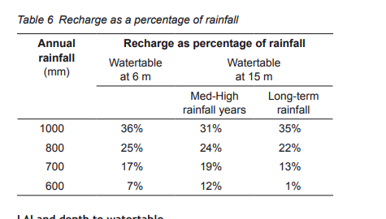
 | Veg
herbaciuous Carbon for grasslands | https://www.publish.csiro.au/cp/Fulltext/cp13075
Waves manual
PRAMS inputs for banksia and pasture
Soil profile
GGC geotech | GGC Geotech

Climate Data
SILO (All except rainfall duration) - Manual recommended | https://www.longpaddock.qld.gov.au/silo/point-data/#responseTab2
Rainfall duration | Nominal 24 hrs

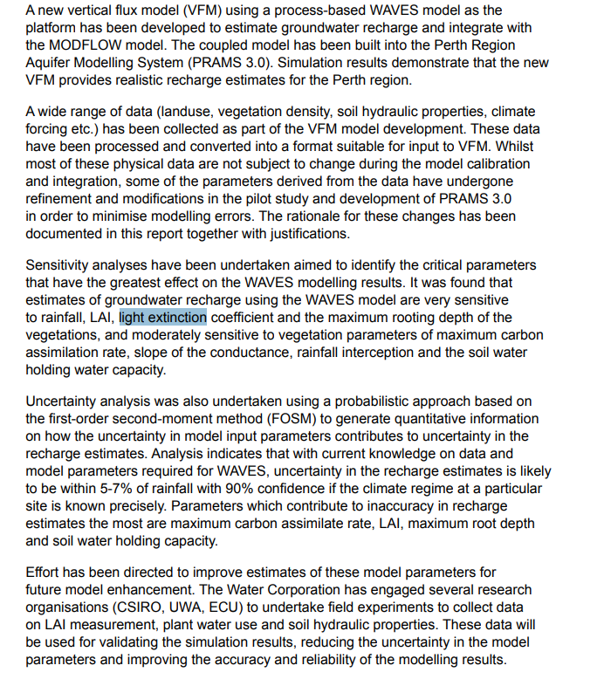

PRAMS

BW table (soil generation)
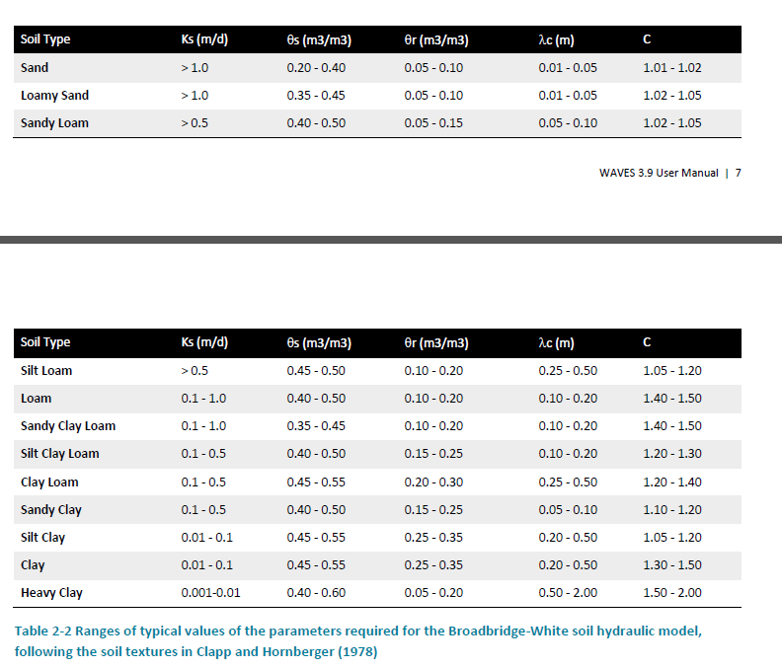
 |  | Saturated conductivity (m/day) | Saturation water content (m3/m3) | Residual water content (m3/m3) | Soil/capillary length scale coefficient (m) | Soil shape factor | Eg soil type | Soil type reference number
Soil reference (e.g. sandy clay) | Topsoil |  |  |  |  |  | Sandy Loam | 1
enter Ks,Ts,Tn,Lambdac,C (units=m,d) | 1,0.475,0.1,0.075,1.035 | Ks | Theta.s | Thetar | Lambda.c | C
Most negative Psi and # Points | -1000,200 | 1 | 0.475 | 0.1 | 0.075 | 1.035

Soil reference (e.g. sandy clay) | Sand |  |  |  |  |  | Sand | 2
enter Ks,Ts,Tn,Lambdac,C (units=m,d) | 2,0.3,0.75,0.025,1.02 | Ks | Theta.s | Thetar | Lambda.c | C
Most negative Psi and # Points | -1000,200 | 2 | 0.3 | 0.75 | 0.025 | 1.02

Soil reference (e.g. sandy clay) | Sandy Clay |  |  |  |  |  | Sandy Clay | 3
enter Ks,Ts,Tn,Lambdac,C (units=m,d) | 0.05,0.4,0.3,0.3,1.15 | Ks | Theta.s | Thetar | Lambda.c | C
Most negative Psi and # Points | -1000,200 | 0.05 | 0.4 | 0.3 | 0.3 | 1.15

 |  |  |  | very sensitive. Suggest the differnce between thhetas is the responsiveness | somewhat sensitive, more peaky for higher values

